Sheet1
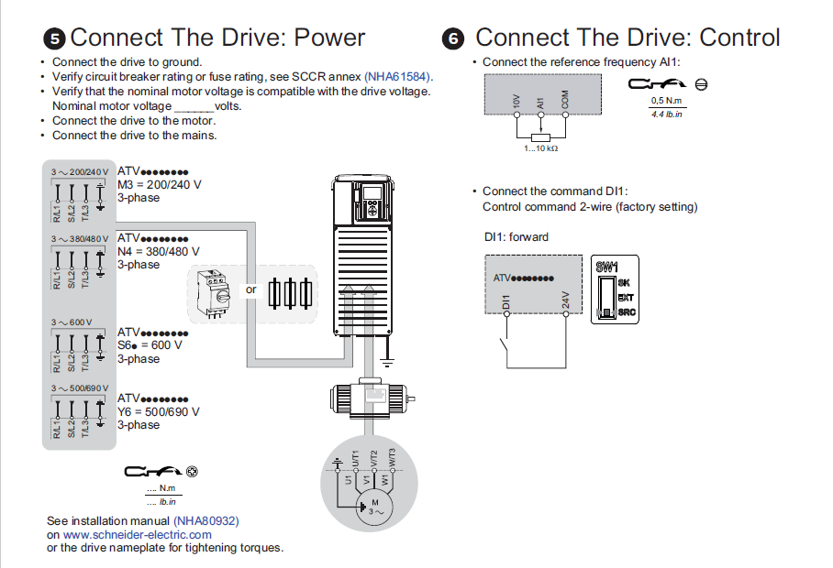
 |  |  |  |  |  | Downer Engineering |  |  |  |  |  |  |  | Doc Ref :
 |  |  |  |  |  |  |  |  |  |  |  |  |  | 561482-DOW-ITR-EL-0009
 |  |  |  |  |  | INSPECTION & TEST PROCEDURE (ITP)
 |  |  |  |  |  | Variable Frequency Drive

Area (L0) : |  |  |  |  |  |  |  |  | System (L2) :
SubArea (L1) : |  |  |  |  |  |  |  |  | Element (L3) :

 | ü |  | Tick acceptable items
 | û |  | Cross unacceptable items and note deviations / defects under REMARKS
 | N |  | Mark N for non-applicable items

1. GENERAL DATA
 | Schematic Drawing |  |  |  |  |  |  |  |  |  | Supply Voltage
 | kW rating |  |  |  |  |  |  |  |  |  | Supply Label
 | Manufacturer |  |  |  |  |  |  |  |  |  | Control Label
 | Model Number
 | Serial Number

2. TEST PROCEDURE
2.1 Readiness for test
Drive power isolated
Control power connected
ITR completed and signed
Area signposted & controlled
All field IO Correct
24V DC supply energised
Confirm potentiometer rating
Mechanical Installation as per Fig 1

3. COMMISSIONING PROCEDURE
3.1 Configuring the VFD
 | Verify DI1 is not active |  |  |  |  |  |  |  |  | Select Simply Start (1)
 | Energize VFD |  |  |  |  |  |  |  |  | Set Acceleration (______s)
 | Set Date/Time/Language |  |  |  |  |  |  |  |  | Set Deceleration (______s)
 | Select Simply Start (1) |  |  |  |  |  |  |  |  | Set Low Speed Freq (______Hz)
 | Motor Standard Freq (____Hz) |  |  |  |  |  |  |  |  | Set High Speed Freq (_______Hz)
 | Nominal Motor Power (____kW) |  |  |  |  |  |  |  |  | 3.2 VFD Module Tests
 | Nominal Motor Voltage (_____Vac) |  |  |  |  |  |  |  |  | Confirm VFD starts/stops
 | Nominal Motor Current (______A) |  |  |  |  |  |  |  |  | Simulate Overload Fault
 | Nominal Motor Freq (_____Hz) |  |  |  |  |  |  |  |  | Reset VFD
 | Nominal Motor Speed (______RPM) |  |  |  |  |  |  |  |  | Confirm comms VFD-PLC
 | 2/3 - Wire Control (2C) |  |  |  |  |  |  |  |  | Inputs verified into PLC
 | Maximum Frequency (______Hz) |  |  |  |  |  |  |  |  | Outputs operate as per design
 | Motor Thermal Current (______A) |  |  |  |  |  |  |  |  | 3.3 Other Tests Conducted
 | Clear Area of Personnel
 | Select Simply Start (1)
 | Select Autotuning
 | Set Apply Autotuning (Yes)

4. COMPLETION
Temporary supplies disconnected
Temporary bridges removed
All covers reinstated
All equipment left in fit state for energisation
As built drawings marked up

5. REMARKS OR REMEDIAL ACTIONS REQUIRED

 | Punch List ID |  |  | Priority (A/B/C) | Description |  |  |  |  |  |  |  | Date Due |  |  |  | Responsible Team (M/E/C/P)

 | Notes / Comments :

 | Remedial Actions Completed : |  |  |  |  |  | Signature: |  |  |  |  |  |  |  | Date :

Commissioning Eng/Tech |  |  |  |  | Company |  |  | Name |  |  |  | Signature |  |  |  | Date
Commissioning Manager |  |  |  |  | Company |  |  | Name |  |  |  | Signature |  |  |  | Date
Client |  |  |  |  | Company |  |  | Name |  |  |  | Signature |  |  |  | Date

 | Figure 1

 |  | Figure 2

